True-Natural-Bodybuilding.com
 |  | 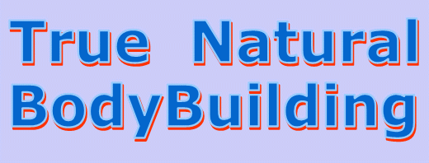

Click here to visite my website True-Natural-Bodybuilding.com

Learn everything you need to know to become big and muscular in the shortest possible time without using anabolic steroids.

Nutrition | Learn everything about how to optimize your nutrition for maximal muscle growth.
Supplements | Which supplements really work and how to use them.
Training | Proven training principles for fastest possible muscle growth.
Equipment | Which weight training equipment to use for optimal results.
Steroids | The truth about anabolic steroids and other doping products.
Losing bodyfat | How to reduce your bodyfat effectively and staying lean without losing muscle mass.
Injuries | How to prevent and recover from injuries.
About me | Everything about myself.

True-Natural-Bodybuilding.com

 |  |  | True-Natural-Bodybuilding.com

